Vulnerability Score
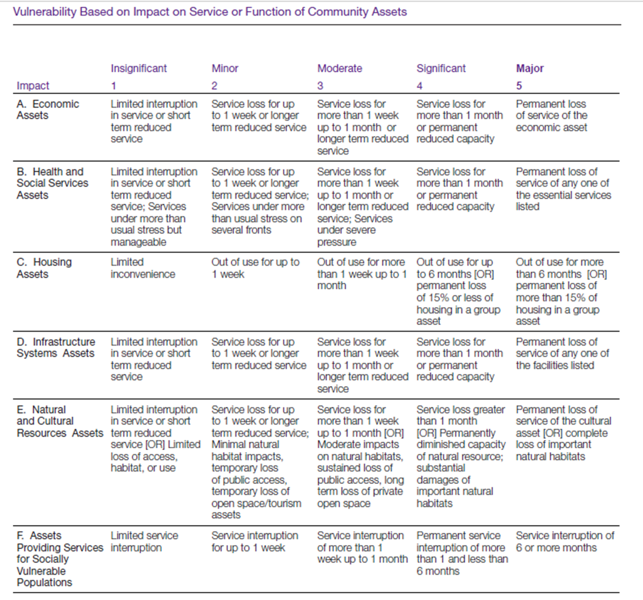
Calculating the Vulnerability Score
Vulnerability is an expression of the capacity of an asset to return to service after a storm, taking into account its material strength relative to the coastal hazard as well its regenerative capacity. If an asset quickly recovers without external assistance it has low vulnerability. Local knowledge of how assets were affected in the past will help estimate future effects. The table below provides some guidance on assessing vulnerability depending on the asset class. Look for weaknesses or vulnerabilities that can make an asset more susceptible to damage, requiring longer periods to restore its function.

Residual Risk Background
Evaluating Residual Risk
Residual risk is the chance that negative effects from hazard events will occur despite efforts to reduce their likelihood. No protective measures can completely eliminate risk. In the words of the National Academy of Engineering, Committee on New Orleans Regional Hurricane Protection Projects, “No matter how well designed an HPS (Hurricane Protection System) may be, some level of residual risk always remains: risk is never reduced to zero.” In coastal areas residual risk may result from storm events that exceed the design of protective measures, failure of protective measures, non-coastal flood sources (precipitation or tributary runoff, bay side inundation or flood water displaced from adjacent properties, for example), accelerated erosion or other causes. Risk management should always acknowledge residual risk and take appropriate steps to reduce it. Insurance is often cited as one means of addressing residual risk. Comprehensive evacuation and temporary housing plans, public outreach on vulnerability and storm preparedness, and upgrading land use and development over time are examples of measures local governments can take to improve hazard resilience and reduce residual risk. The US Army Corps of Engineers created this chart depicting methods to address flood risk and the remaining residual risk (incremental measures which cumulatively reduce risk)1:
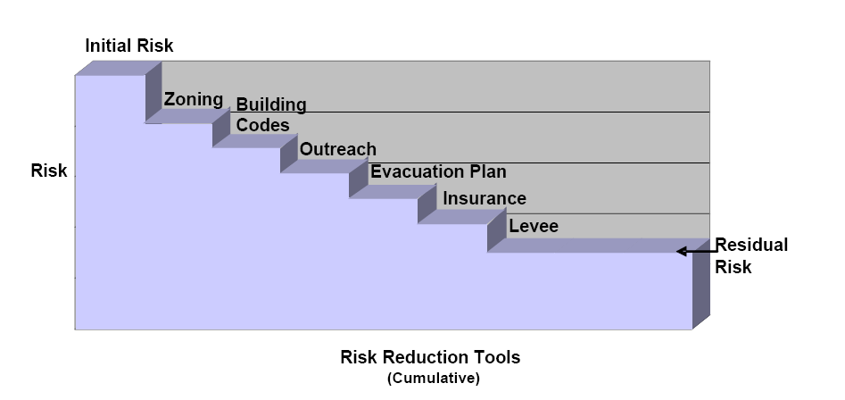
Because of the residual risk, protection afforded by structural storm defenses and some other actions is uncertain. Defensive structures are prone to failure due to changing environmental conditions, lack of maintenance, or storm events that exceed their design capacity. Other non-structural methods may or may not be subject to failure. For example, relocation out of the floodplain or elevation above potential flood levels leaves little residual risk. However, flood proofing assets that remain in flood-prone areas may be subject to failure. For this reason it is worthwhile to test residual risk for structural protection measures (and other non-assured measures) by assuming failure. If development proceeds behind protective structures without redundant safety measures, damages could be catastrophic if the structural defenses fail. Evaluating Residual Risk Using the risk assessment methodology, conduct a residual risk assessment by changing the exposure and/or vulnerability scores to reflect water levels or other hazards that would result from failure of protective measures. Test only meaningful failures. For example, if a bulkhead on a shoreline collapsed, no additional damage would occur unless the associated erosion undermined adjacent assets. However, if a surge barrier, levee or artificial dune failed the water released into the protected area could be substantially higher. In that case assume the higher water levels and review the asset list. If assets are found to be more exposed or more vulnerable as a result of the increased water levels, modify those factors in an additional risk assessment calculation. The revised risk scores reflect the level of residual risk for the affected assets. Running a residual risk test is a valuable tool for comparing alternative management strategies. Include these factors when evaluating alternative management strategies, and propose redundant measures to minimize impacts where residual risk is significant.

Footnote 1: Major General Don Riley, USACE. Improving Public Safety - From Federal Protection to Shared Risk Reduction. February 26, 2008.

